About


BHPSbP BAU Hydrogen Production Shares by Pathway

Sources | Generation from electrolysis between 2020 and 2050 | EU REF2020 scenario
 | Total hydrogen consumption 2020 | Clean Hydrogen Monitor 2020
 | Split between SMR and by-product hydrogen are taken from TYNDP2022 | TYNDP 2022
 | Split between SMR and POx are taken from Petrochemicals Europe | Hydrogen Overview Paper
Notes
 | Hydrogen total consumption in 2020 (historic data) is taken from Clean Hydrogen Monitor Europe 2020
 | Hydrogen production from electrolysis between 2020 and 2050 is taken from REF2020 (since this study is before the Green Deal)
 | However, EU REF scenario does not provide any values on the total hydrogen consumption (including the hydrogen produced from SMR, and obtained as a byproduct).
 | Therefore, historical data of 2020 (from the Clean Hydrogen Monitor Europe 2020) has been used to estimate to share of electrolysis in the total hydrogen production (which, in a way, supposes that the hydrogen consumption remains stable until 2050)
 | Then, among the share of hydrogen not produced by electrolysis, the split between by-product hydrogen and SMR hydrogen is calculated by maintaining the same split as for the year 2020 in the TYNDP scenario.

 | Hydrogen BTU/Mt | 1.3450980392E+14
 | BTU/TWh | 3.41E+12

TYNDP Data
TYNDP Data
Hydrogen supply (TWh)
 | Unspecified | By-products | SMR/ATR | SMR/ATR+CCS | Low carbon import | Renewable import | P2G for H2 | P2G for P2M | P2G for P2L
Current |  | 88.21012064 | 265.45654603 | 0 | 0 | 0 | 0 | 0 | 0
National Trends 2025 | 70.278467473 | 0 | 0 | 0 | 0 | 0 | 5.7919083724 | 0 | 0
National Trends 2030 | 90.286833916 | 0 |  |  |  |  | 74.715746429
National Trends 2040 | 181.76818 | 0 |  |  |  |  | 283
Distributed Energy 2030 |  | 88.21012064 | 0 | 138.83857614 | 24 | 0 | 126.97060406 | 0 | 0
Distributed Energy 2040 |  | 54.811489321 | 0 | 87.386732856 | 24 | 214 | 913.64289041 | 24.3375 | 113.63636364
Distributed Energy 2050 |  | 21.412858003 | 0 | 0 | 0 | 358 | 1386.033252 | 59.885 | 228.57142857
Global Ambition 2030 |  | 88.21012064 | 0 | 200.6190168 | 28 | 1.2560061168 | 92.303288407 | 0 | 18.333333333
Global Ambition 2040 |  | 55.599188621 | 0 | 183.8266806 | 99 | 401 | 805.59766439 | 17.41975 | 22.727272727
Global Ambition 2050 |  | 22.988256602 | 0 | 138.37484565 | 152 | 749 | 1391.2172148 | 35.20825 | 28.571428571
 |  | National Trends |  |  | Distributed Energy |  |  | Global Ambition
 | Current | 2025 | 2030 | 2040 | 2030 | 2040 | 2050 | 2030 | 2040 | 2050
Low carbon import | 0 | 0 |  |  | 24 | 24 | 0 | 28 | 99 | 152
Renewable import | 0 | 0 |  |  | 0 | 214 | 358 | 1 | 401 | 749
SMR/ATR | 265 | 0 |  |  | 0 | 0 | 0 | 0 | 0 | 0
SMR/ATR+CCS | 0 | 0 |  |  | 139 | 87 | 0 | 201 | 184 | 138
P2G for H2 | 0 | 6 | 75 | 283 | 127 | 914 | 1386 | 92 | 806 | 1391
P2G for P2M | 0 | 0 |  |  | 0 | 24 | 60 | 0 | 17 | 35
P2G for P2L | 0 | 0 |  |  | 0 | 114 | 229 | 18 | 23 | 29
By-products | 88 | 0 | 0 | 0 | 88 | 55 | 21 | 88 | 56 | 23
Unspecified |  | 70 | 90 | 182

Distributed Energy | 2020 | 2030 | 2040 | 2050
Hydrogen supply in Europe (TWh) | 354 | 354 | 1056 | 1407
%SMR/ATR | 75% | 39% | 8% | 0%
%electrolysis | 0% | 36% | 87% | 98%
%by products | 25% | 25% | 5% | 2%
total | 1 | 1 | 1 | 1

Hydorgen split between SMR and by-products | 2020 | 2030 | 2040 | 2050
% by products | 25% | 39% | 39% | 100%
% SMR | 75% | 61% | 61% | 0%
total | 100% | 100% | 100% | 100%

 | The 2020 split between by-product and SMR is assumed to be constant until 2050 (BAU scenario)

Hydrogen production Shares by Pathway in EU

 | The share of hydrogen produced using electrolysis in the baseline scenario is much lower than in the TYNDP scenarios, which are post-Green-Deal and therefore more ambitious in terms of hydrogen strategy for the EU.

Historical Production
Historical Hydrogen Demand
Source | EPS Sector | 2019 Total H2 Demand (Mt/year) | 2019 Total H2 Demand (BTU/year) | Production Pathway
On purpose (dedicated)
Fertilizers | chemicals 20 | 3 | 4.0352941176E+14 | SMR
Refineries* | refined petroleum and coke 19 | 0.5 | 6.7254901961E+13 | POx
Refineries* | refined petroleum and coke 19 | 0.6 | 8.0705882353E+13 | SMR
Dedicated production as listed in EUROSTAT** | chemicals 20 | 1.4 | 1.8831372549E+14 | SMR

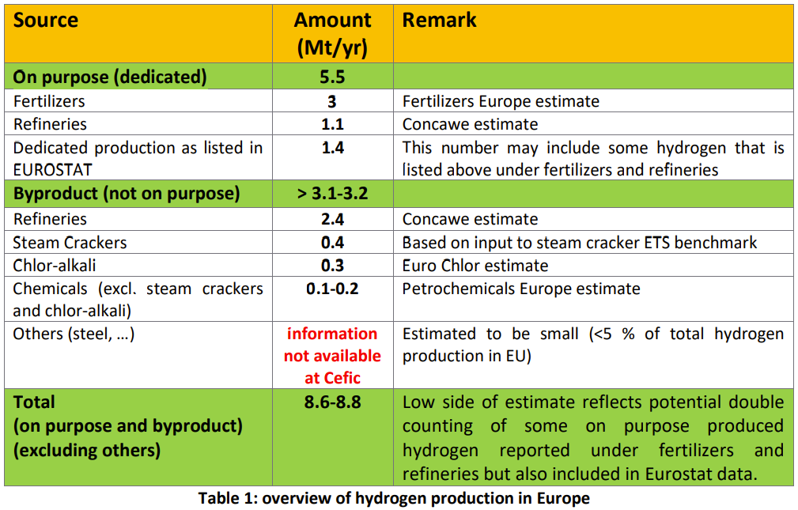
* see Petrochemicals Europe section 4.2 for a breakdown
** third-party SMR H2 imported by refineries -- (classify production under chemicals industry) |  |  | electrolysis
 |  |  | natural gas reforming | 5
 |  |  | coal gasification
 |  |  | biomass gasification
 |  |  | hydrocarbon partial oxidation | 0.5

 |  |  | TOTAL | 5.5

